1. AutoFluorescence Check
After optimization of your sample preparation protocol, we should run an unstained sample on the machine to check which detectors will receive the highest autofluorescence so we can avoid those when creating the panel. We will book an acquisition with you on the machine for this purpose.

Spectral Instrument: | Polychromatic Instrument:

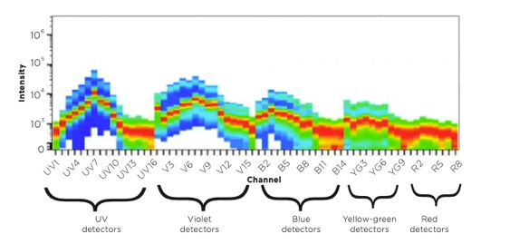
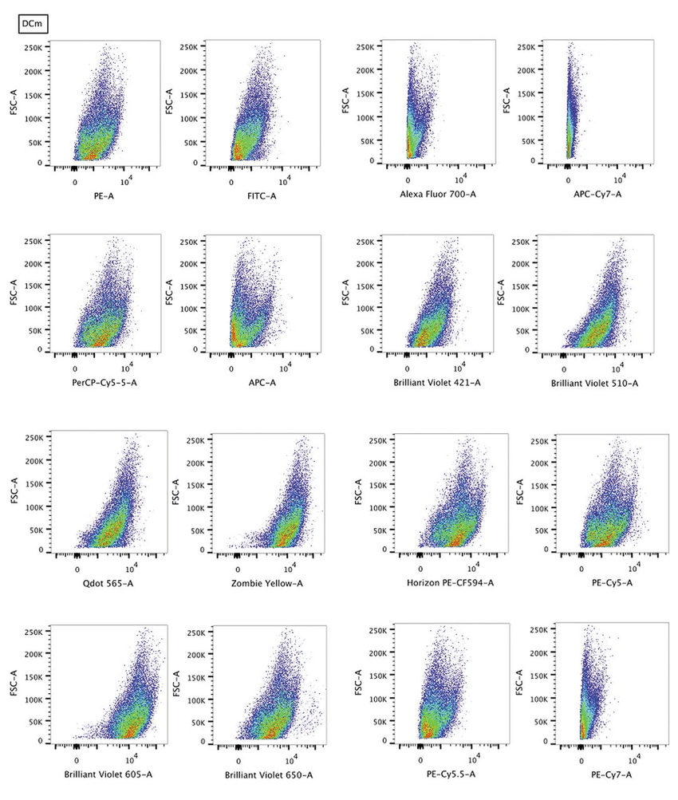

Your Sample Spectral Autofluorescence Spectrum:

Channels with high AF:

4. Gating Strategy
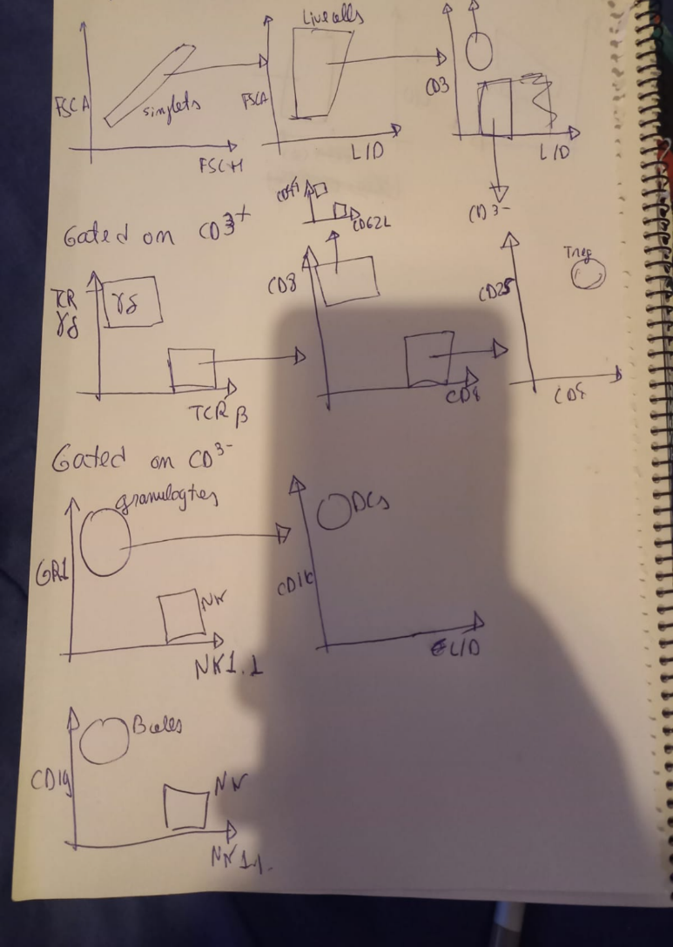
Gating Strategy to use on the analysis (e.g.): | Your Gating Strategy to use on your analysis:

7.1. NxN
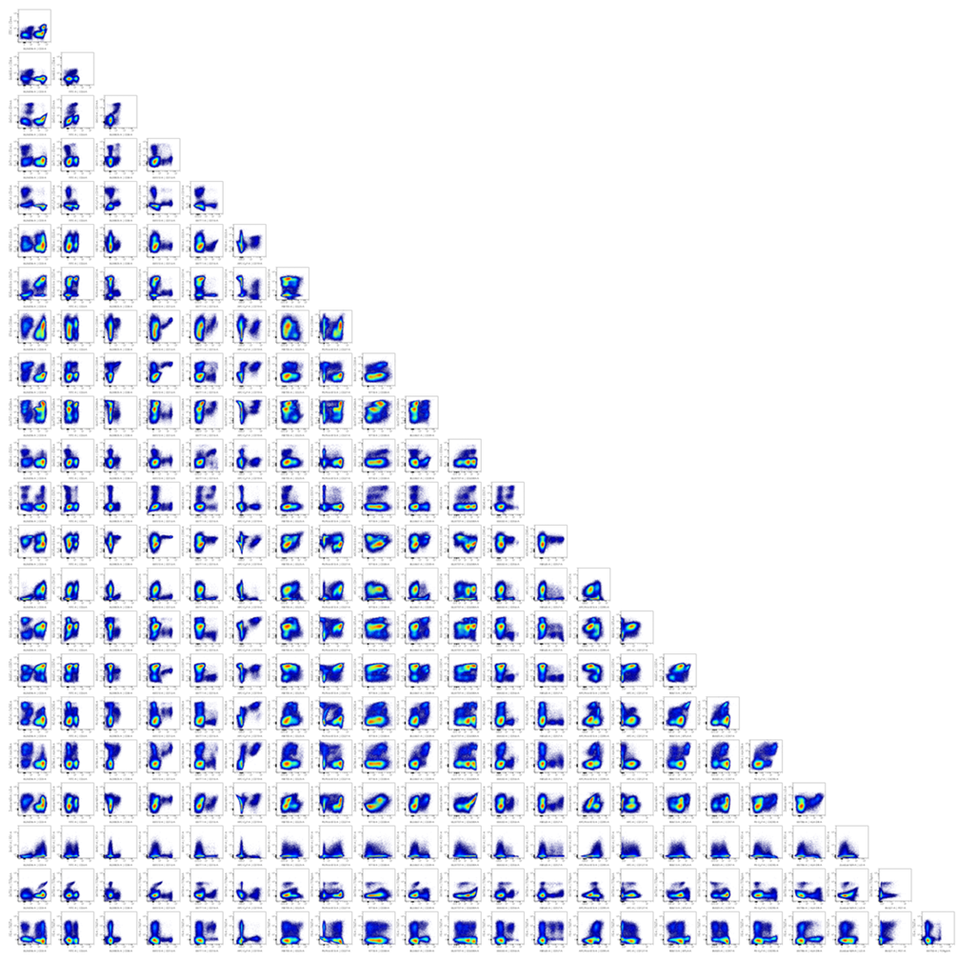
After doing the settings on the cytometer, the unmixing must be validated with the Mix NxN matrix of all the markers. E.g.: | Your NxN analysis:

Polychromatic Instrument:

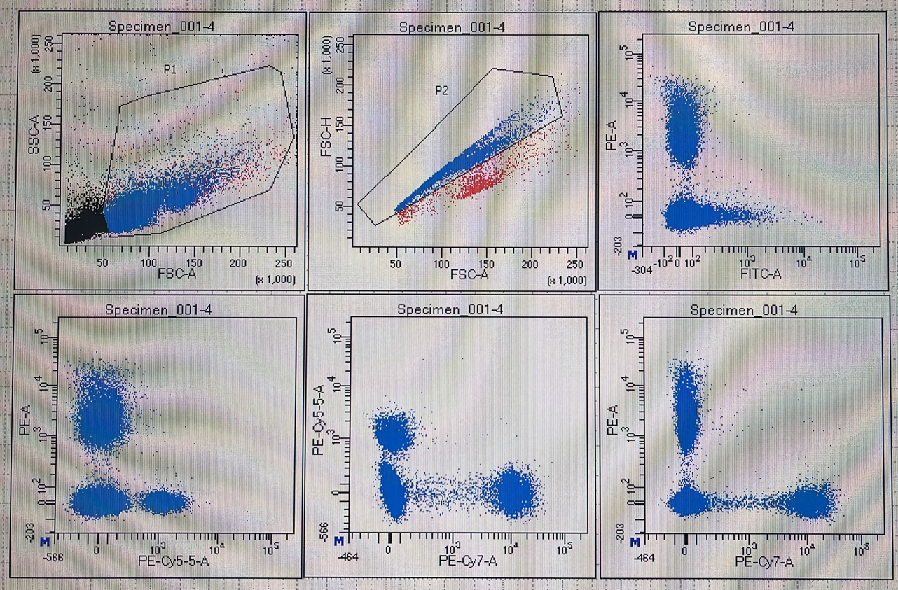

Spectral Instrument:

